Amortisation profile II
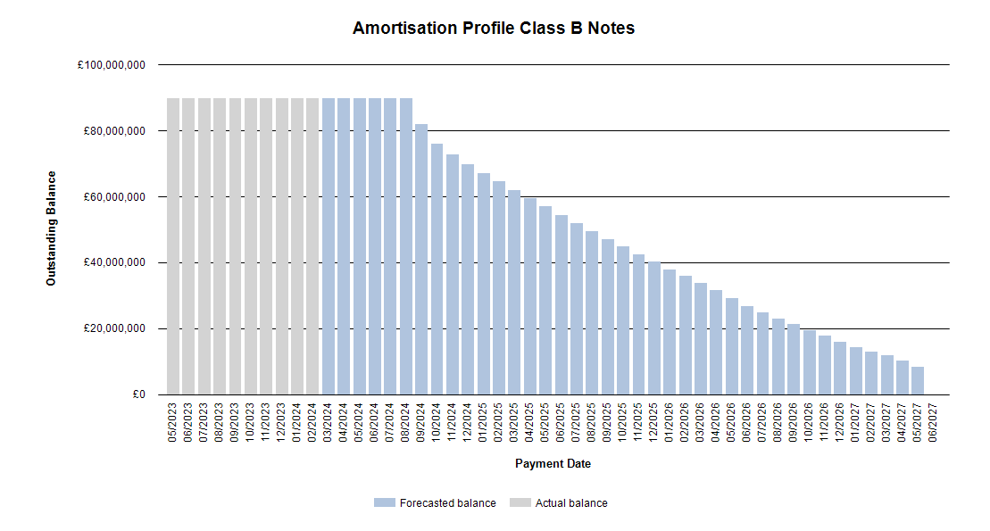
 |  | Publication Date: 22.02.2024
 |  | Period: 01.2024 / Period no. 46

Amortisation profile II

 | 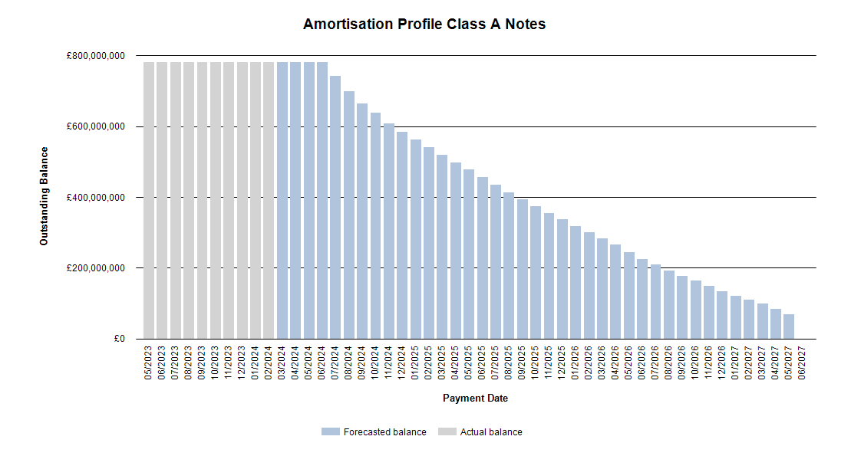

Run out schedule II
 |  | Publication Date: 22.02.2024
 |  | Period: 01.2024 / Period no. 46

Run out schedule I

 | 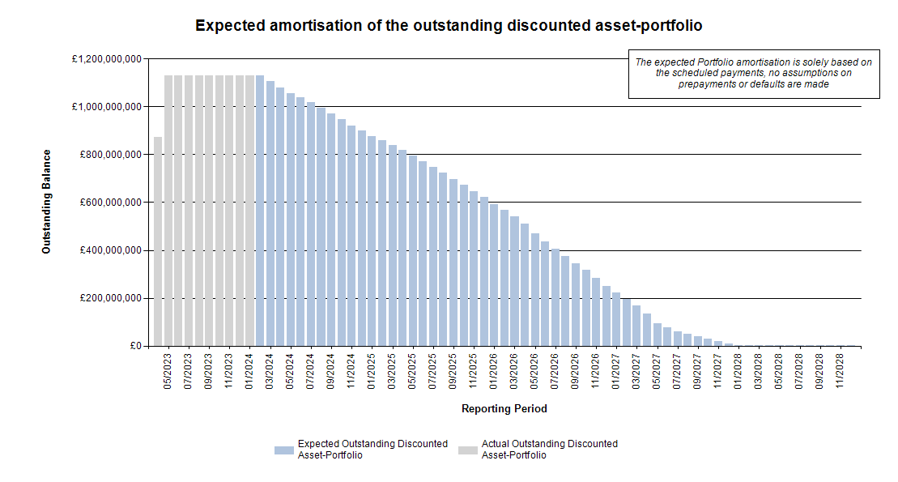

Delinquencies & Defaults II

 | Publication Date: 22.02.2024
 | Period: 01.2024 / Period no. 46

Delinquencies & Defaults II

Delinquent Receivables, End of Term, Early Settlements & Defaulted |  |  |  |  |  |  | Type of Contract |  |  |  |  |  | Type of Car |  |  |  | Customer Type
 |  |  |  |  |  |  | Hire Purchase |  | PCP |  | LP |  | New |  | Used |  | Retail |  | Corporate
Days in Arrears |  | Number of Contracts | Percentage of Contracts | Aggregate Discounted Receivables Balance | Percentage of Aggregate Discounted Receivables Balance | Value of Arrears | Number of Contracts | Aggregate Discounted Receivables Balance | Number of Contracts | Aggregate Discounted Receivables Balance | Number of Contracts | Aggregate Discounted Receivables Balance | Number of Contracts | Aggregate Discounted Receivables Balance | Number of Contracts | Aggregate Discounted Receivables Balance | Number of Contracts | Aggregate Discounted Receivables Balance | Number of Contracts | Aggregate Discounted Receivables Balance
> 0 <= 30 |  | 192 | 0.30% | £582,763.24 | 0.05% | £461,505.34 | 28 | £23,100.08 | 163 | £532,196.26 | 1 | £27,466.90 | 63 | £270,193.70 | 129 | £312,569.54 | 182 | £509,350.80 | 10 | £73,412.44
> 30 <= 60 |  | 138 | 0.22% | £2,601,643.67 | 0.23% | £127,329.08 | 45 | £483,216.97 | 90 | £2,057,486.05 | 3 | £60,940.65 | 42 | £1,094,783.50 | 96 | £1,506,860.17 | 121 | £1,965,276.64 | 17 | £636,367.03
> 60 <= 90 |  | 53 | 0.08% | £1,109,746.86 | 0.10% | £82,469.48 | 12 | £148,081.53 | 41 | £961,665.33 | 0 | £0.00 | 19 | £488,038.22 | 34 | £621,708.64 | 51 | £1,063,070.37 | 2 | £46,676.49
> 90 <= 120 |  | 26 | 0.04% | £609,028.87 | 0.05% | £41,499.86 | 8 | £68,378.12 | 16 | £479,833.91 | 2 | £60,816.84 | 6 | £318,751.14 | 20 | £290,277.73 | 24 | £554,156.76 | 2 | £54,872.11
> 120 <= 150 |  | 19 | 0.03% | £454,619.66 | 0.04% | £40,730.08 | 6 | £62,441.94 | 11 | £315,047.61 | 2 | £77,130.11 | 6 | £186,724.21 | 13 | £267,895.45 | 14 | £340,962.14 | 5 | £113,657.52
> 150 <= 180 |  | 8 | 0.01% | £115,896.77 | 0.01% | £34,765.65 | 1 | £10,718.16 | 6 | £103,230.61 | 1 | £1,948.00 | 2 | £22,286.15 | 6 | £93,610.62 | 7 | £113,948.77 | 1 | £1,948.00
> 180 |  | 31 | 0.05% | £752,765.56 | 0.07% | £142,947.66 | 8 | £145,173.10 | 23 | £607,592.46 | 0 | £0.00 | 7 | £221,432.74 | 24 | £531,332.82 | 24 | £447,396.00 | 7 | £305,369.56
Total |  | 467 | 0.73% | £6,226,464.63 | 0.54% | £931,247.15 | 108 | £941,109.90 | 350 | £5,057,052.23 | 9 | £228,302.50 | 145 | £2,602,209.66 | 322 | £3,624,254.97 | 423 | £4,994,161.48 | 44 | £1,232,303.15

